Sheet5
PRACTICAL 5
Trading strategies involving options.

Q.1 Let stock be purchased at Rs 120, call option is excercised at a strike price of Rs 150 and premium is Rs 20. Find the profit when price of share ranges between 60 to 250 when covered call strategy is used.

 | Current Stock Price(Sₒ) = | 120
 | Strike Price(K) = | 150
 | Call Price© = | 20

Stock Price(S_T) | LongStock | ShortCall Profit | Total Profit
60 | -60 | 20 | -40
70 | -50 | 20 | -30
80 | -40 | 20 | -20
90 | -30 | 20 | -10
100 | -20 | 20 | 0
110 | -10 | 20 | 10
120 | 0 | 20 | 20
130 | 10 | 20 | 30
140 | 20 | 20 | 40
150 | 30 | 20 | 50
160 | 40 | 10 | 50
170 | 50 | 0 | 50
180 | 60 | -10 | 50
190 | 70 | -20 | 50
200 | 80 | -30 | 50
210 | 90 | -40 | 50
220 | 100 | -50 | 50
230 | 110 | -60 | 50
240 | 120 | -70 | 50
250 | 130 | -80 | 50

Q.1 Let a share of Reliance be purchased at Rs 170, put option is excercised at a strike price of Rs 150 and premium is Rs 45. Find the profit when price of share ranges between 30 to 250 when protective put strategy is used.

 | Current Stock Price(Sₒ)= | 170 |  | Long in put = max(K-S_T,0)- 45 Short in put = min( S_t -K, 0)+45
 | Strike Price(K)= | 150
 | Put Price(p)= | 45

Stock Price(S_T) | LongStock | LongPut Profit | Total Profit
30 | -140 | 75 | -65
40 | -130 | 65 | -65
50 | -120 | 55 | -65
60 | -110 | 45 | -65
70 | -100 | 35 | -65
80 | -90 | 25 | -65
90 | -80 | 15 | -65
100 | -70 | 5 | -65
110 | -60 | -5 | -65
120 | -50 | -15 | -65
130 | -40 | -25 | -65
140 | -30 | -35 | -65
150 | -20 | -45 | -65
160 | -10 | -45 | -55
170 | 0 | -45 | -45
180 | 10 | -45 | -35
190 | 20 | -45 | -25
200 | 30 | -45 | -15
210 | 40 | -45 | -5
220 | 50 | -45 | 5
230 | 60 | -45 | 15
240 | 70 | -45 | 25
250 | 80 | -45 | 35

Q.1 (using calls) An investor buys for $3 a call with strike price of $30 sells for $1 a call with a strike price of $35, Find profit from bull spread if stock prices are 20,30,31,32,33,34,35,40,45,50.

 | Long Call Price(c1)= | 3 | with Strike Price(K1)= | 30
 | Short Call Price(c2)= | 1 | with Strike Price(K2)= | 35

Stock Price(S_T) | LongCall Profit | ShortCall Profit | Total Profit
20 | -3 | 1 | -2
22 | -3 | 1 | -2
24 | -3 | 1 | -2
26 | -3 | 1 | -2
28 | -3 | 1 | -2
30 | -3 | 1 | -2
31 | -2 | 1 | -1
32 | -1 | 1 | 0
33 | 0 | 1 | 1
34 | 1 | 1 | 2
35 | 2 | 1 | 3
37 | 4 | -1 | 3
40 | 7 | -4 | 3
45 | 12 | -9 | 3
50 | 17 | -14 | 3

Q.2 (using put) An investor sells a put option for $28 with strike price 100 and buys a put option for $12 with strike price $70. Create a bull spread if stock price ranges between 0 to 120.

 | Short put Price(c1)= | 28 | with Strike Price(K1)= | 100
 | Long Put Price(c2)= | 12 | with Strike Price(K2)= | 70

Stock Price(S_T) | Short in put Profit | Long put Profit | Total Profit
30 | -42 | 28 | -14
40 | -32 | 18 | -14
50 | -22 | 8 | -14
60 | -12 | -2 | -14
70 | -2 | -12 | -14
80 | 8 | -12 | -4
90 | 18 | -12 | 6
100 | 28 | -12 | 16
110 | 28 | -12 | 16
120 | 28 | -12 | 16
130 | 28 | -12 | 16

Q.1(using put) An investor buys a put option for $3 with strike price $35 and sells a put option for $1 with strike price $30. Create a bull spread if stock price ranges between 15 to 60. Find profit from bear spread if stock prices ranges from 10 to 60.

 | Long put Price(c1) | 3 | with Strike Price(K1)= | 35
 | Short Put Price(c2) | 1 | with Strike Price(K2)= | 30

Stock Price(S_T) | Long in put Profit | Short put Profit | Total Profit
10 | 22 | -19 | 3
15 | 17 | -14 | 3
20 | 12 | -9 | 3
25 | 7 | -4 | 3
30 | 2 | 1 | 3
35 | -3 | 1 | -2
40 | -3 | 1 | -2
45 | -3 | 1 | -2
50 | -3 | 1 | -2
55 | -3 | 1 | -2
60 | -3 | 1 | -2

Q.1 Call options on a stock are available with strike price of $15, $17.5, $20 and expiration dates in 3 months. Their prices are $4, $2, $0.5 respectively. Create butterfly spread using calls and show profit that would occur when stock prices are 10,15,15.5.16.5,17.5.18,19,19.5,20,21,22,23,24,25.

 | Long call Price(c1) | 4 | with Strike Price(K1)= | 15
 | 2 Short call Price(c2) | 2 | with Strike Price(K2)= | 17.5
 | Long in call c3 | 0.5 | K3 | 20
 | Cost of stra | -2.5

Stock Price(S_T) | Long in call at k1 Profit | 2 short in call at k2 | Long in call at k3 Profit | Total Profit
10 | -0.5 | 4 | -0.5 | 3
10.5 | -4 | 4 | -0.5 | -0.5
11 | -4 | 4 | -0.5 | -0.5
11.5 | -4 | 4 | -0.5 | -0.5
12 | -4 | 4 | -0.5 | -0.5
12.5 | -4 | 4 | -0.5 | -0.5
13 | -4 | 4 | -0.5 | -0.5
13.5 | -4 | 4 | -0.5 | -0.5
14 | -4 | 4 | -0.5 | -0.5
14.5 | -4 | 4 | -0.5 | -0.5
15 | -4 | 4 | -0.5 | -0.5
15.5 | -3.5 | 4 | -0.5 | 0
16 | -3 | 4 | -0.5 | 0.5
16.5 | -2.5 | 4 | -0.5 | 1
17 | -2 | 4 | -0.5 | 1.5
17.5 | -1.5 | 4 | -0.5 | 2
18 | -1 | 3 | -0.5 | 1.5
18.5 | -0.5 | 2 | -0.5 | 1
19 | 0 | 1 | -0.5 | 0.5
19.5 | 0.5 | 0 | -0.5 | 0
20 | 1 | -1 | -0.5 | -0.5
20.5 | 1.5 | -2 | 0 | -0.5
21 | 2 | -3 | 0.5 | -0.5
21.5 | 2.5 | -4 | 1 | -0.5
22 | 3 | -5 | 1.5 | -0.5
22.5 | 3.5 | -6 | 2 | -0.5
23 | 4 | -7 | 2.5 | -0.5
23.5 | 4.5 | -8 | 3 | -0.5
24 | 5 | -9 | 3.5 | -0.5

Sheet8
PRACTICAL 9
Simulating lognormal price path.

 | S_0 | 35
 | MU | 0.2
 | SIGMA | 0.5
 | DELTA_T | 0.004

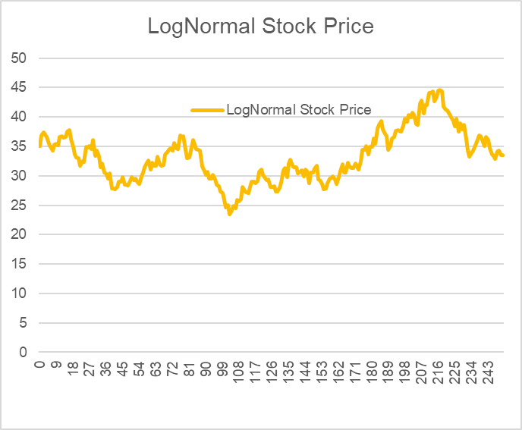
DATE | Uniformly Distributed Random Number | Normally Distributed Random Number | LogNormal Stock Price
0 | 0.59225022049 |  | 35
1 | 0.57881807035 | 0.19887073888 | 35.23137097
2 | 0.068811453445 | -1.4847015276 | 33.625560997
3 | 0.3034106846 | -0.5146160186 | 33.092707283
4 | 0.52587417771 | 0.06490248179 | 33.170646093
5 | 0.083819179101 | -1.3798320625 | 31.763924939
6 | 0.37708925713 | -0.31313445353 | 31.460381657
7 | 0.51604104345 | 0.040219773882 | 31.509871888
8 | 0.95042238036 | 1.6489628817 | 33.20650116
9 | 0.83269999869 | 0.96488981646 | 34.245602761
10 | 0.47552105659 | -0.061398165677 | 34.189431966
11 | 0.56174768589 | 0.15540172006 | 34.368169244
12 | 0.87261105188 | 1.1388208197 | 35.639105344
13 | 0.55009679401 | 0.12590590043 | 35.792021086
14 | 0.1114910894 | -1.2186365271 | 34.44928778
15 | 0.82764307193 | 0.94489231346 | 35.504819284
16 | 0.29723549134 | -0.53236823274 | 34.922575413
17 | 0.78187350209 | 0.77853616352 | 35.803761411
18 | 0.92163781735 | 1.4161746866 | 37.454854622
19 | 0.69029546468 | 0.49668802168 | 38.059205447
20 | 0.25942320571 | -0.64512464914 | 37.301828716
21 | 0.49083180942 | -0.022983268994 | 37.285911887
22 | 0.073062461848 | -1.4533560456 | 35.621749928
23 | 0.046392025542 | -1.6808911922 | 33.787873221
24 | 0.7892380215 | 0.80378014764 | 34.668091747
25 | 0.1074107013 | -1.240416442 | 33.344548832
26 | 0.40314982105 | -0.24520249826 | 33.09692315
27 | 0.26048097209 | -0.64186330135 | 32.441641273
28 | 0.93489082976 | 1.5132414441 | 34.04202253
29 | 0.58938491006 | 0.22596302304 | 34.296431004
30 | 0.81021195272 | 0.87867762361 | 35.273342991
31 | 0.25853163601 | -0.64787891058 | 34.568393867
32 | 0.46730794297 | -0.082038766741 | 34.489174733
33 | 0.96742272313 | 1.8441961879 | 36.57131182
34 | 0.94733175488 | 1.6195150535 | 38.504598116
35 | 0.76215635633 | 0.71325611617 | 39.394759686
36 | 0.24730923766 | -0.68298159068 | 38.564610531
37 | 0.65361418257 | 0.39509655005 | 39.061177864
38 | 0.80548480185 | 0.86137707821 | 40.151837899
39 | 0.0095751190975 | -2.3425934374 | 37.296105321
40 | 0.0082010114573 | -2.3998448333 | 34.580818481
41 | 0.76482275106 | 0.72190238005 | 35.389943819
42 | 0.019942196994 | -2.0549442065 | 33.173277767
43 | 0.54921444637 | 0.1236768938 | 33.313265202
44 | 0.80314480331 | 0.85290787657 | 34.234263091
45 | 0.22375282769 | -0.75958003744 | 33.431780431
46 | 0.62264962331 | 0.31244710877 | 33.77386919
47 | 0.28848027595 | -0.55782988734 | 33.193274254
48 | 0.69178057549 | 0.50090377017 | 33.733359394
49 | 0.51158823003 | 0.029051471043 | 33.774494901
50 | 0.33920310173 | -0.41463898662 | 33.344535066
51 | 0.17635098562 | -0.92936111754 | 32.388548335
52 | 0.16813752673 | -0.96155128234 | 31.427961568
53 | 0.81739012632 | 0.905463766 | 32.350558039
54 | 0.8530678741 | 1.0496821966 | 33.452453644
55 | 0.54831511314 | 0.12140560986 | 33.591206417
56 | 0.94639345832 | 1.6108469578 | 35.357260932
57 | 0.56016029884 | 0.15137564273 | 35.537578665
58 | 0.87957025004 | 1.1728411824 | 36.891426699
59 | 0.58431056483 | 0.21293345124 | 37.151818948
60 | 0.10574566131 | -1.2494751893 | 35.723218568
61 | 0.44577810211 | -0.13633531874 | 35.580208993
62 | 0.28463406548 | -0.56912969009 | 34.956068769
63 | 0.43632790038 | -0.16028598212 | 34.789771016
64 | 0.68691715333 | 0.48713072591 | 35.340437034
65 | 0.41619628289 | -0.21163402068 | 35.115245399
66 | 0.52826288599 | 0.070903914359 | 35.204628191
67 | 0.24266133138 | -0.69776741095 | 34.446665961
68 | 0.3416488101 | -0.40796738446 | 34.015324792
69 | 0.42406871886 | -0.19149545923 | 33.820107908
70 | 0.98854077015 | 2.2747911781 | 36.353509521
71 | 0.097022793241 | -1.2987038379 | 34.901231881
72 | 0.99369866702 | 2.4948041746 | 37.777540565
73 | 0.0226561496 | -2.001743743 | 35.470950507
74 | 0.474229378 | -0.064642361028 | 35.409137028
75 | 0.15031319912 | -1.0350910364 | 34.279154961
76 | 0.32770802317 | -0.44625086236 | 33.808956447
77 | 0.084616774038 | -1.3746707349 | 32.380449995
78 | 0.45050928743 | -0.12437473713 | 32.263022847
79 | 0.27728937836 | -0.59091293792 | 31.675245068
80 | 0.59974850211 | 0.2526961855 | 31.938954792
81 | 0.64056064714 | 0.35995778146 | 32.31428145
82 | 0.57561897417 | 0.19069819661 | 32.519492836
83 | 0.79220495945 | 0.81409578372 | 33.37755467
84 | 0.14184312929 | -1.0720751963 | 32.274636168
85 | 0.90426394524 | 1.3062366011 | 33.64580868
86 | 0.64595943908 | 0.37443444287 | 34.05678058
87 | 0.51623312323 | 0.040701640754 | 34.110874974
88 | 0.92495141231 | 1.4391883142 | 35.709879179
89 | 0.078602460457 | -1.4145348551 | 34.157967184
90 | 0.44991614803 | -0.12587320147 | 34.032481212
91 | 0.49551595977 | -0.0112400587 | 34.03059444
92 | 0.40490342878 | -0.24067520518 | 33.782710172
93 | 0.33502403666 | -0.42608203087 | 33.340578922
94 | 0.83497321557 | 0.97400598236 | 34.39378966
95 | 0.61132335904 | 0.28276983141 | 34.713129327
96 | 0.72731888811 | 0.60472426321 | 35.393954986
97 | 0.30426264077 | -0.51217965357 | 34.835761891
98 | 0.37737137246 | -0.31239184804 | 34.503673687
99 | 0.58973789463 | 0.22687079683 | 34.76253014
100 | 0.93574805075 | 1.5200281595 | 36.485232785
101 | 0.86188481664 | 1.0888265828 | 37.774690591
102 | 0.82532706455 | 0.93585884149 | 38.920993058
103 | 0.016900417813 | -2.1224396491 | 36.405371684
104 | 0.20781194217 | -0.81403677412 | 35.490825783
105 | 0.71757476282 | 0.57565192788 | 36.153651267
106 | 0.45921966291 | -0.10239982091 | 36.047581715
107 | 0.4310951105 | -0.17358678168 | 35.861004664
108 | 0.972919428 | 1.9255455435 | 38.12390757
109 | 0.3696311454 | -0.3328304246 | 37.736075943
110 | 0.94648028099 | 1.6116439638 | 39.721047681
111 | 0.095314748642 | -1.3087191653 | 38.122165388
112 | 0.0031526569341 | -2.7314665636 | 34.978001131
113 | 0.98384129087 | 2.1404623761 | 37.438765874
114 | 0.1805938245 | -0.91310437611 | 36.384097328
115 | 0.91009045853 | 1.3413122846 | 37.971953116
116 | 0.050075554062 | -1.644121498 | 36.05898697
117 | 0.52906153065 | 0.072911002274 | 36.153066526
118 | 0.1368305669 | -1.0946702337 | 34.933465289
119 | 0.5170128553 | 0.042657837944 | 34.99111667
120 | 0.16023097664 | -0.99350902758 | 33.919046688
121 | 0.91027621812 | 1.3424579257 | 35.400606505
122 | 0.9734961762 | 1.9348586174 | 37.645542522
123 | 0.21223897902 | -0.79867660094 | 36.717672659
124 | 0.59976007794 | 0.25272614329 | 37.023397785
125 | 0.88777077158 | 1.2147578615 | 38.484828621
126 | 0.26377711118 | -0.63174392232 | 37.73494563
127 | 0.3115104192 | -0.49157356011 | 37.164042116
128 | 0.74994615446 | 0.67432031522 | 37.976424706
129 | 0.32137667921 | -0.46385259488 | 37.434669153
130 | 0.52580674513 | 0.064733097943 | 37.522633017
131 | 0.89172855829 | 1.2357731894 | 39.029699327
132 | 0.29783228419 | -0.53064534267 | 38.391742538
133 | 0.047591461659 | -1.6686693666 | 36.429338029
134 | 0.15888744714 | -0.9990408678 | 35.307026447
135 | 0.57480892263 | 0.18863084657 | 35.528920427
136 | 0.94866817563 | 1.6320751843 | 37.421962837
137 | 0.53616521737 | 0.090777277691 | 37.540802318
138 | 0.68554770005 | 0.48326920892 | 38.130356274
139 | 0.84536981531 | 1.0167752274 | 39.388109183
140 | 0.36240349035 | -0.35204171191 | 38.96373871
141 | 0.9707420312 | 1.8918127224 | 41.378267693
142 | 0.9879049498 | 2.254096459 | 44.448739187
143 | 0.43657024135 | -0.15967070007 | 44.238142345
144 | 0.51265560335 | 0.031728215756 | 44.295837022
145 | 0.7208266213 | 0.5852988955 | 45.136872134
146 | 0.96856380341 | 1.8600928318 | 47.885884613
147 | 0.85563056463 | 1.0608922522 | 49.534487056
148 | 0.82019673809 | 0.91611510934 | 51.005794231
149 | 0.128586734 | -1.1330971264 | 49.225292241
150 | 0.4848599385 | -0.037959620474 | 49.180990296
151 | 0.69092708163 | 0.49847989457 | 49.977379402
152 | 0.28788993516 | -0.5595595964 | 49.115548905
153 | 0.98903209049 | 2.2914773741 | 52.822568868
154 | 0.10694144648 | -1.242959134 | 50.80184745
155 | 0.47634117743 | -0.059338677916 | 50.72182378
156 | 0.043476050643 | -1.7116992805 | 48.06371773
157 | 0.12780163639 | -1.1368445574 | 46.38042067
158 | 0.27747345715 | -0.59036359152 | 45.536238791
159 | 0.69157363151 | 0.50031579087 | 46.276294882
160 | 0.37909842989 | -0.30784949225 | 45.841728763
161 | 0.14488125275 | -1.0586427595 | 44.345780406
162 | 0.84000063964 | 0.99446051212 | 45.776239294
163 | 0.59072383828 | 0.22940735075 | 46.123365305
164 | 0.68242750868 | 0.47449777726 | 46.834710174
165 | 0.079522592892 | -1.4082901005 | 44.808172971
166 | 0.83864234926 | 0.988893397 | 46.245405114
167 | 0.14873034339 | -1.0418943007 | 44.759983707
168 | 0.24263266328 | -0.69785908097 | 43.796165926
169 | 0.039804220111 | -1.7529625231 | 41.446885306
170 | 0.96222520167 | 1.7771133224 | 43.855932172
171 | 0.9319278564 | 1.4903041295 | 45.98602507
172 | 0.49030010392 | -0.024316429896 | 45.96446484
173 | 0.64903354423 | 0.38271254537 | 46.538085845
174 | 0.29657745929 | -0.53426974894 | 45.772154912
175 | 0.22613254305 | -0.75164414859 | 44.710432332
176 | 0.32226519513 | -0.4613738768 | 44.076067005
177 | 0.55262260466 | 0.13229015935 | 44.274120501
178 | 0.079822926593 | -1.4062636386 | 42.361094486
179 | 0.96137931363 | 1.7669215183 | 44.808834676
180 | 0.34919905603 | -0.38748375099 | 44.276409154
181 | 0.76552175457 | 0.72417795482 | 45.315653657
182 | 0.98310927974 | 2.1226708837 | 48.476409391
183 | 0.48259244346 | -0.043648128901 | 48.424069812
184 | 0.22918530656 | -0.7415325338 | 47.315961103
185 | 0.43020348628 | -0.17585612843 | 47.067682713
186 | 0.6504888977 | 0.38664072429 | 47.660991583
187 | 0.95127944321 | 1.6573877148 | 50.240650918
188 | 0.58303225698 | 0.20965687516 | 50.590024408
189 | 0.92182089764 | 1.4174267214 | 52.925082686
190 | 0.98352209586 | 2.1326212548 | 56.634411917
191 | 0.97397624943 | 1.9427406576 | 60.24090693
192 | 0.37668391556 | -0.31420172698 | 59.663217465
193 | 0.11968800523 | -1.1765478817 | 57.501440337
194 | 0.74260247768 | 0.65138956549 | 58.715793404
195 | 0.11272410627 | -1.2121676487 | 56.524639293
196 | 0.43492071268 | -0.16385991288 | 56.249375081
197 | 0.42174023713 | -0.19744352199 | 55.916036589
198 | 0.29050031385 | -0.5519237033 | 54.965068155
199 | 0.45682588021 | -0.10843358599 | 54.793352833
200 | 0.62591094127 | 0.3210425876 | 55.369070629
201 | 0.21289364957 | -0.79642113277 | 54.008211423
202 | 0.084559150994 | -1.3750423937 | 51.725631893
203 | 0.84168485413 | 1.0014065644 | 53.405871656
204 | 0.88804554245 | 1.21619955 | 55.516501601
205 | 0.27568347347 | -0.59571303767 | 54.496811883
206 | 0.66428314443 | 0.42418114418 | 55.249317532
207 | 0.89807787633 | 1.2706751283 | 57.531824466
208 | 0.88172530924 | 1.1836557008 | 59.743998573
209 | 0.40917269268 | -0.2296736326 | 59.329450917
210 | 0.97953988873 | 2.0443374443 | 63.310643058
211 | 0.39353911616 | -0.2701066161 | 62.791011272
212 | 0.61588524259 | 0.29469155522 | 63.397910015
213 | 0.37677995332 | -0.31394882508 | 62.790448143
214 | 0.6350434742 | 0.34524119462 | 63.4987644
215 | 0.97772014808 | 2.0087872231 | 67.683598082
216 | 0.78594541274 | 0.79243140357 | 69.421926283
217 | 0.76640563239 | 0.72706076039 | 71.05785741
218 | 0.052763985111 | -1.6186250117 | 67.532503894
219 | 0.45397883155 | -0.11561501418 | 67.306240125
220 | 0.1963189891 | -0.85484316502 | 65.530811653
221 | 0.17569444424 | -0.93189868269 | 63.646937877
222 | 0.68667664223 | 0.48645202013 | 64.652978716
223 | 0.076818163312 | -1.4268042472 | 61.819241472
224 | 0.24115208781 | -0.70260142274 | 60.479015816
225 | 0.3943800879 | -0.26792093893 | 59.986771016
226 | 0.49937107177 | -0.0015764899308 | 60.001778405
227 | 0.32811428734 | -0.44512617394 | 59.180853934
228 | 0.24740031326 | -0.68269335977 | 57.934288809
229 | 0.80391167859 | 0.85567667977 | 59.541186858
230 | 0.57693482272 | 0.1940581443 | 59.925669139
231 | 0.60722978366 | 0.27210610864 | 60.461675241
232 | 0.81370929385 | 0.89164841273 | 62.209398883
233 | 0.20065584016 | -0.83928093285 | 60.598231067
234 | 0.38595184785 | -0.28988568194 | 60.063282346
235 | 0.032589476813 | -1.8440287278 | 56.677958925
236 | 0.58679981962 | 0.21932054259 | 57.089540896
237 | 0.58673354371 | 0.21915037274 | 57.503802237
238 | 0.44132156203 | -0.1476194251 | 57.253165608
239 | 0.66667071173 | 0.43073842435 | 58.055768842
240 | 0.57706469987 | 0.19438989675 | 58.431272155
241 | 0.026533653974 | -1.9343728023 | 54.980632652
242 | 0.34327001536 | -0.40355493429 | 54.299741269
243 | 0.8703585649 | 1.1280877308 | 56.288639426
244 | 0.44593501355 | -0.13593833843 | 56.064004786
245 | 0.20572921301 | -0.82132982082 | 54.643007248
246 | 0.78264262697 | 0.78114920283 | 56.026419595
247 | 0.65120460226 | 0.38857468622 | 56.736127008
248 | 0.78846660308 | 0.80111202754 | 58.209266201
249 | 0.76111852288 | 0.70990515379 | 59.548656057
250 | 0.40897574263 | -0.23018053675 | 59.134515913
251 | 0.80274904014 | 0.85148152882 | 60.766642159

Sheet9
PRACTICAL 10

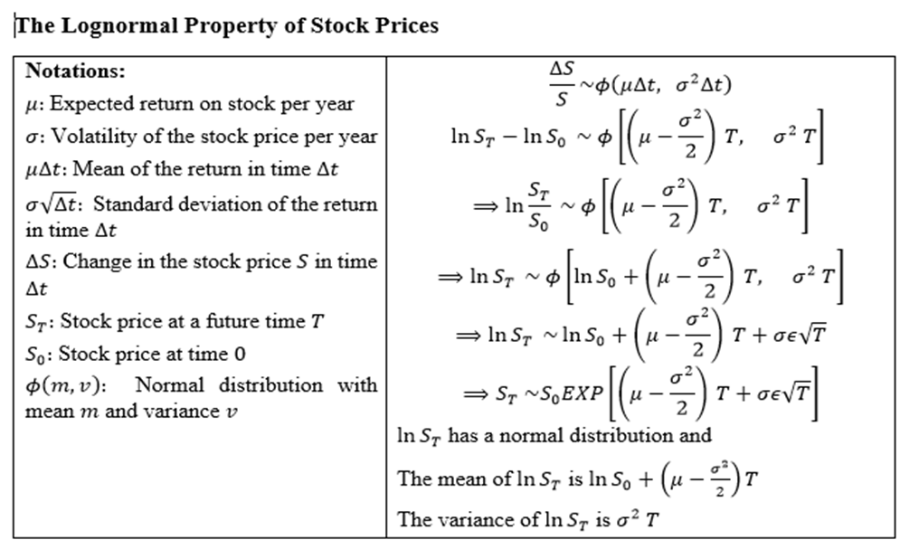

Qus: Consider the stock price is Rs 1225, the strike price is Rs 1250, the risk-free interest rate is 5% per annum, the stock price volatility is 20% per annum and the time to maturity is 20 weeks. Find the value for European call option and European put option by BSM equation.

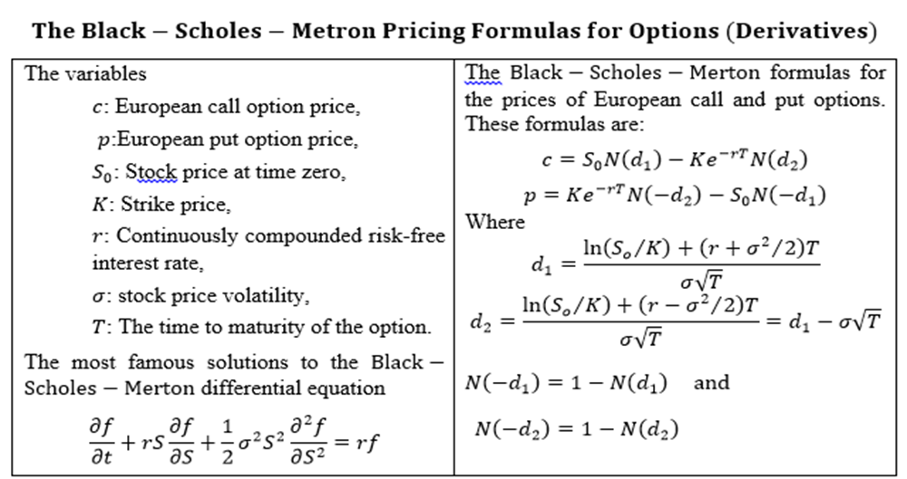
 | Stock Price Current So = | 1225
 | Strike Price K = | 1250
 | Risk-free interest rate r = | 5%
 | Stock price volatility = | 20%
 | Time to maturity T = | 0.3846

 | d1= | 0.0542
 | d2= | -0.06985
 | N(d1)= | 0.5216
 | N(d2)= | 0.4722
 | N(-d1)= 1 - N(d1) | 0.4784
 | N(-d2)= 1 - N(d2) | 0.5278

 | European Call Option Price c= | 60.01

 | European Put Option Price p= | 61.204386032

Qus: Consider the stock price is Rs 1225, the strike price is Rs 1250, the risk-free interest rate is 5% per annum, the stock price volatility is 20% per annum and the time to maturity is 20 weeks. Find the Monte Carlo Simulation for stock price at time to maturity.
 |  |  | Monte Carlo Simulation for stock price at time T
Stock Price Current So = | 1225 |  | 0.00 | 0.00 | 0.00 | 0.00 | 0.00
Strike Price K = | 1250 |  | 0.00 | 0.00 | 0.00 | 0.00 | 0.00
Risk-free interest rate r = | 5% |  | 0.00 | 0.00 | 0.00 | 0.00 | 0.00
Stock price volatility = | 20% |  | 0.00 | 0.00 | 0.00 | 0.00 | 0.00
Time to maturity T = | 0.3846 |  | 0.00 | 0.00 | 0.00 | 0.00 | 0.00
 |  |  | 0.00 | 0.00 | 0.00 | 0.00 | 0.00
Mean = | 0.0000 |  | 0.00 | 0.00 | 0.00 | 0.00 | 0.00
 |  |  | 0.00 | 0.00 | 0.00 | 0.00 | 0.00
 |  |  | 0.00 | 0.00 | 0.00 | 0.00 | 0.00
 |  |  | 0.00 | 0.00 | 0.00 | 0.00 | 0.00
 |  |  | 0.00 | 0.00 | 0.00 | 0.00 | 0.00
 |  |  | 0.00 | 0.00 | 0.00 | 0.00 | 0.00
 |  |  | 0.00 | 0.00 | 0.00 | 0.00 | 0.00
 |  |  | 0.00 | 0.00 | 0.00 | 0.00 | 0.00
 |  |  | 0.00 | 0.00 | 0.00 | 0.00 | 0.00
 |  |  | 0.00 | 0.00 | 0.00 | 0.00 | 0.00
 |  |  | 0.00 | 0.00 | 0.00 | 0.00 | 0.00
 |  |  | 0.00 | 0.00 | 0.00 | 0.00 | 0.00
 |  |  | 0.00 | 0.00 | 0.00 | 0.00 | 0.00
 |  |  | 0.00 | 0.00 | 0.00 | 0.00 | 0.00

Qus: Consider the stock price is Rs 1225, the strike price is Rs 1250, the risk-free interest rate is 5% per annum, the stock price volatility is 20% per annum and the time to maturity is 20 weeks. Find the value for European call option using the Monte Carlo Simulation.

 |  |  | Monte Carlo Simulation for stock price at time T |  |  |  |  | Present value of Payoff from call option
Stock Price Current So = | 1225 |  | 0.00 | 0.00 | 0.00 | 0.00 | 0.00 | 0.00 | 0.00 | 0.00 | 0.00 | 0.00
Strike Price K = | 1250 |  | 0.00 | 0.00 | 0.00 | 0.00 | 0.00 | 0.00 | 0.00 | 0.00 | 0.00 | 0.00
Risk-free interest rate r = | 5% |  | 0.00 | 0.00 | 0.00 | 0.00 | 0.00 | 0.00 | 0.00 | 0.00 | 0.00 | 0.00
Stock price volatility = | 20% |  | 0.00 | 0.00 | 0.00 | 0.00 | 0.00 | 0.00 | 0.00 | 0.00 | 0.00 | 0.00
Time to maturity T = | 0.3846 |  | 0.00 | 0.00 | 0.00 | 0.00 | 0.00 | 0.00 | 0.00 | 0.00 | 0.00 | 0.00
 |  |  | 0.00 | 0.00 | 0.00 | 0.00 | 0.00 | 0.00 | 0.00 | 0.00 | 0.00 | 0.00
d1= | 0.0542 |  | 0.00 | 0.00 | 0.00 | 0.00 | 0.00 | 0.00 | 0.00 | 0.00 | 0.00 | 0.00
d2= | -0.06985 |  | 0.00 | 0.00 | 0.00 | 0.00 | 0.00 | 0.00 | 0.00 | 0.00 | 0.00 | 0.00
N(d1)= | 0.5216 |  | 0.00 | 0.00 | 0.00 | 0.00 | 0.00 | 0.00 | 0.00 | 0.00 | 0.00 | 0.00
N(d2)= | 0.4722 |  | 0.00 | 0.00 | 0.00 | 0.00 | 0.00 | 0.00 | 0.00 | 0.00 | 0.00 | 0.00
N(-d1)= 1 - N(d1) | 0.4784 |  | 0.00 | 0.00 | 0.00 | 0.00 | 0.00 | 0.00 | 0.00 | 0.00 | 0.00 | 0.00
N(-d2)= 1 - N(d2) | 0.5278 |  | 0.00 | 0.00 | 0.00 | 0.00 | 0.00 | 0.00 | 0.00 | 0.00 | 0.00 | 0.00
 |  |  | 0.00 | 0.00 | 0.00 | 0.00 | 0.00 | 0.00 | 0.00 | 0.00 | 0.00 | 0.00
European Call Option Price by BSM (c)= | 60.01 |  | 0.00 | 0.00 | 0.00 | 0.00 | 0.00 | 0.00 | 0.00 | 0.00 | 0.00 | 0.00
 |  |  | 0.00 | 0.00 | 0.00 | 0.00 | 0.00 | 0.00 | 0.00 | 0.00 | 0.00 | 0.00
Mean call option payoff = | 0.00 |  | 0.00 | 0.00 | 0.00 | 0.00 | 0.00 | 0.00 | 0.00 | 0.00 | 0.00 | 0.00
SD call option payoff = | 0 |  | 0.00 | 0.00 | 0.00 | 0.00 | 0.00 | 0.00 | 0.00 | 0.00 | 0.00 | 0.00
 |  |  | 0.00 | 0.00 | 0.00 | 0.00 | 0.00 | 0.00 | 0.00 | 0.00 | 0.00 | 0.00
Value of Euro Call Option by Simulation c= | 0.00 |  | 0.00 | 0.00 | 0.00 | 0.00 | 0.00 | 0.00 | 0.00 | 0.00 | 0.00 | 0.00
 |  |  | 0.00 | 0.00 | 0.00 | 0.00 | 0.00 | 0.00 | 0.00 | 0.00 | 0.00 | 0.00

Qus: Consider the stock price is Rs 1225, the strike price is Rs 1250, the risk-free interest rate is 5% per annum, the stock price volatility is 20% per annum and the time to maturity is 20 weeks. Find the value for European put option using the Monte Carlo Simulation.

 |  |  | Monte Carlo Simulation for stock price at time T |  |  |  |  | Present value of Payoff from Put option
Stock Price Current So = | 1225 |  | 0.00 | 0.00 | 0.00 | 0.00 | 0.00 | 0.00 | 0.00 | 0.00 | 0.00 | 0.00
Strike Price K = | 1250 |  | 0.00 | 0.00 | 0.00 | 0.00 | 0.00 | 0.00 | 0.00 | 0.00 | 0.00 | 0.00
Risk-free interest rate r = | 5% |  | 0.00 | 0.00 | 0.00 | 0.00 | 0.00 | 0.00 | 0.00 | 0.00 | 0.00 | 0.00
Stock price volatility = | 20% |  | 0.00 | 0.00 | 0.00 | 0.00 | 0.00 | 0.00 | 0.00 | 0.00 | 0.00 | 0.00
Time to maturity T = | 0.3846 |  | 0.00 | 0.00 | 0.00 | 0.00 | 0.00 | 0.00 | 0.00 | 0.00 | 0.00 | 0.00
 |  |  | 0.00 | 0.00 | 0.00 | 0.00 | 0.00 | 0.00 | 0.00 | 0.00 | 0.00 | 0.00
d1= | 0.0542 |  | 0.00 | 0.00 | 0.00 | 0.00 | 0.00 | 0.00 | 0.00 | 0.00 | 0.00 | 0.00
d2= | -0.06985 |  | 0.00 | 0.00 | 0.00 | 0.00 | 0.00 | 0.00 | 0.00 | 0.00 | 0.00 | 0.00
N(d1)= | 0.5216 |  | 0.00 | 0.00 | 0.00 | 0.00 | 0.00 | 0.00 | 0.00 | 0.00 | 0.00 | 0.00
N(d2)= | 0.4722 |  | 0.00 | 0.00 | 0.00 | 0.00 | 0.00 | 0.00 | 0.00 | 0.00 | 0.00 | 0.00
N(-d1)= 1 - N(d1) | 0.4784 |  | 0.00 | 0.00 | 0.00 | 0.00 | 0.00 | 0.00 | 0.00 | 0.00 | 0.00 | 0.00
N(-d2)= 1 - N(d2) | 0.5278 |  | 0.00 | 0.00 | 0.00 | 0.00 | 0.00 | 0.00 | 0.00 | 0.00 | 0.00 | 0.00
 |  |  | 0.00 | 0.00 | 0.00 | 0.00 | 0.00 | 0.00 | 0.00 | 0.00 | 0.00 | 0.00
European Put Option Price by BSM (p)= | 61.204386032 |  | 0.00 | 0.00 | 0.00 | 0.00 | 0.00 | 0.00 | 0.00 | 0.00 | 0.00 | 0.00
 |  |  | 0.00 | 0.00 | 0.00 | 0.00 | 0.00 | 0.00 | 0.00 | 0.00 | 0.00 | 0.00
Mean Put option payoff = | 0.00 |  | 0.00 | 0.00 | 0.00 | 0.00 | 0.00 | 0.00 | 0.00 | 0.00 | 0.00 | 0.00
SD Put option payoff = | 0 |  | 0.00 | 0.00 | 0.00 | 0.00 | 0.00 | 0.00 | 0.00 | 0.00 | 0.00 | 0.00
 |  |  | 0.00 | 0.00 | 0.00 | 0.00 | 0.00 | 0.00 | 0.00 | 0.00 | 0.00 | 0.00
Value of Euro Put Option by Simulation p= | 0.00 |  | 0.00 | 0.00 | 0.00 | 0.00 | 0.00 | 0.00 | 0.00 | 0.00 | 0.00 | 0.00
 |  |  | 0.00 | 0.00 | 0.00 | 0.00 | 0.00 | 0.00 | 0.00 | 0.00 | 0.00 | 0.00

Sheet10
PRACTICAL 11-12
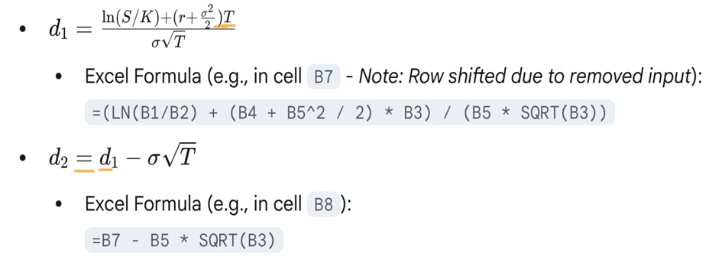
 | r: Risk-Free Interest Rate | 10%
 | σ (sigma): Volatility of the underlying stock | ₹ 0.20

 | Delta(put)=N(d1)-1

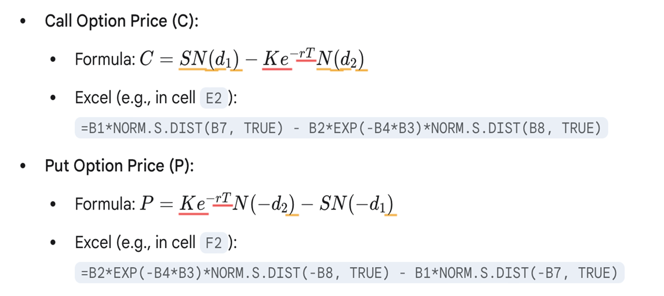
 | Intermediate Calculations (d1 and d2)
 | d1 | 0.76926262811
 | d_2 | 0.62784127187

 | N(x): Standard Normal Cumulative Distribution Function (CDF)
 | Excel: | NORM.S.DIST(x, TRUE)
 | N'(x): Standard Normal Probability Density Function (PDF)
 | Excel: | NORM.S.DIST(x, FALSE)

 | 1. Call Option Price (C): | 4.7594223929
 | 2. Put Option(P) | 0.8085993729

 | Delta
 | Delta Call | 0.77913129094
 | Delta Put | -0.22086870906

 | Gamma | 0.049962670406

 | Vega | 8.8134150596

 | Theta
 | Theta_call | -4.5590921946
 | Theta_put | 1.0337261708

